Economic Feasibility
 |  |  |  | Keterangan: silahkan isi kolom yang warna kuning

Year | 1 | 2 | 3 | Total | 3% | Year | 1 | 2 | 3
 | 2023 | 2024 | 2025 |  |  |  | 2023 | 2024 | 2025
Increased salaes new customer | - | 28,000,000 | 28,840,000 |  |  | Operational Cost
Increased salaes existing customer | - | 80,000,000 | 82,400,000 |  |  | Programmer | 10,000,000 | 10,300,000 | 10,609,000
Reduction complain | - | 5,000,000 | 5,000,000 |  |  | UI/UX Designer | 8,000,000 | 8,240,000 | 8,487,200
Total Benefit | - | 113,000,000 | 116,240,000 |  |  | Project Manager | 15,000,000 | 15,450,000 | 15,913,500
PV benefit | - | 106,513,338 | 106,376,066 | 212,889,404 |  | Business Manager | - | - | -
PV all Benefit | - | 106,513,338 | 212,889,404 |  |  | Assistant Manager | - | - | -
 |  |  |  |  |  | Software Licences | 1,500,000 | 1,545,000 | 1,591,350
Development Cost |  |  |  |  |  | 2 Servers | 8,000,000 | 8,000,000 | 8,000,000
Labor: Design, analysis, implementation | 35,000,000 | - | - |  |  | Hardware upgrade | 10,000,000 | 10,000,000 | 10,000,000
Consultant fees | 500,000 | - | - |  |  | User Training | 2,000,000 | 2,000,000 | 2,000,000
Office Space Equipment | 200,000 | - | - |  |  | Communication Charges | - | - | -
Software & Hardware | 9,500,000 | - | - |  |  | marketing Expenses | - | - | -
Total Dev. Cost | 45,200,000 | - | - | 45,200,000 |  | Total Ops. Cost | 54,500,000 | 55,535,000 | 56,601,050
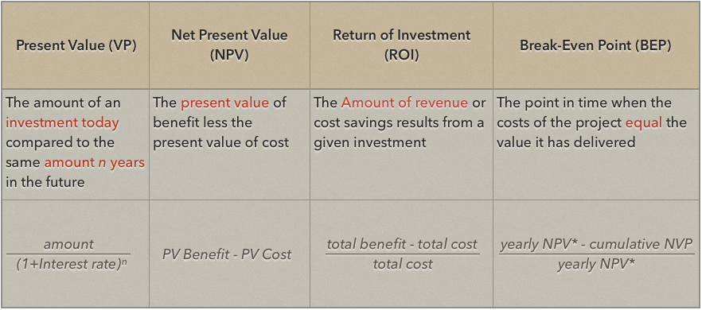

Total Cost | 99,700,000 | 55,535,000 | 56,601,050
PV Cost | 96,796,117 | 52,347,064 | 51,797,979 | 200,941,159
PV All Cost | 679,612 | 53,026,676 | 104,824,655
Total Cost Less Benefit | (99,700,000) | 57,465,000 | 59,638,950
Yearly NPV | (96,796,117) | 54,166,274 | 54,578,088 | 11,948,245
Cumulative NPV | (679,612) | 53,486,662 | 108,064,750
ROI | 5.9461412136
BEP | 1.02

